1. Title Page
Instacart Grocery Basket Analysis

Project Name: Instacart Basket Analysis
Date: December 2023
Analyst Name: Miguel Oliveira

Contents:
Population Flow
Consistency checks
Wrangling steps
Column derivations
Visualizations
Recommendations

2. Population Flow
Title page

Population flow

Exclusion flag
Condition: max_order <
Obervations to be removed:
Final total count of order_products_all:

Orders_products_merged
Rows: 32434212
Columns: 13
Orders_products_combined
Rows: 32434289
Columns: 10
Orders_products_all
Rows: 30992664
Columns: 36

3. Consistency checks
 |  |  |  | Title page
Consistency checks

Dataset | Missing values | Missing values treatment | Duplicates
orders | days_since_prior_order (206,209) | No treatment as values are still valuable. | NA
products | product_name (16) | Missing values removed | 5 duplicates removed
orders_products_prior | NA | NA | NA
customers | first_name (11,259) | Changed to 'Unknown' | NA

4. Wrangling steps
 |  |  |  |  | Title page
Wrangling steps

Dataset | Columns dropped | Columns renamed | Columns' type changed | Comment/Reason
Orders | eval_set' |  |  | Values not needed
 | Unnamed; 0 |  |  | Column not needed
 | Unnamed; 0 |  |  | Column not needed
 |  | order_dow' to 'orders_day_of_week' |  | Easier comprehension
 |  |  | 'order_id' changed from integer to string | Better data quality
 |  |  | 'user_id' changed from integer to string | Better data quality
Products | Unnamed; 0
Orders_Products_Prior | Unnamed; 0
Customer |  | Surnam' to 'Surname' |  | Easier comprehension
 |  | STATE' to State |  | Consistency
 |  | n_dependants' to 'nuumber_of_dependants' |  | Easier comprehension
 |  | fam_status' to 'Marital_Status' |  | Easier comprehension

5. Column derivations
 |  |  |  | Title page

Column derivations and aggregations

Dataset | New column | Column/s it was derived from | Conditions
Orders | price_range_loc' | price | High-range product' (More than $15)
 |  |  | Mid-range product' (more than 5 to less or equal to 15)
 |  |  | Low-range product' (less than or equal to $5)
Orders/Products | 'loyalty_flag' | max_order | Loyal customer' (more than 40 orders)
 |  |  | Regular customer' (more than 10 to less or equal to 40)
 |  |  | New customer' (less than or equal to 10 orders)
Orders/Products | 'spender_flag' | average_price | High spender' (more than or equal $10)
 |  |  | Low spender' (less than $10)
Orders/Products | frequency_flag' | median_order_frequency' | Non-frequent customer' (more than 20)
 |  |  | Regular customer' (more than 10 to less or equal to 20)
 |  |  | Frequent customer' (less than or equal to 10)
Final | region' | State | Northeast (State is one of Connecticut, Maine, Massachusetts, New Hampshire, New Jersey, New York, Pennsylvania, Rhode Island, Vermont)
 |  |  | South (State is one of Delaware, Florida, Georgia, Maryland, North Carolina, South Carolina, Virginia, West Virginia, Alabama, Kentucky, Mississippi, Tennessee, Arkansas, Louisiana, Oklahoma, Texas
 |  |  | Midwest (State is one of Illinois, Indiana, Iowa, Kansas, Michigan, Minnesota, Missouri, Nebraska, North Dakota, Ohio, South Dakota, Wisconsin)
 |  |  | West (State is one of Alaska, Arizona, California, Hawaii, Idaho, Montana, Nevada, New Mexico, Oregon, Utah, Washington, Wyoming)
Final | 'age_group' | age | 18-29 years old'
 |  |  | 30-44 years old'
 |  |  | '45-59 years old'
 |  |  | '60-81 years old'
Final | income_group' | income | lower income' (less than 50 K)
 |  |  | middle income' (more or equal to 50K to less than 100K)
 |  |  | high income' (more or equal to 100K)
Final | dependants_group' | number_of_dependants | no_dependants (0 dependants)
 |  |  | 1_2_dependants (1 or 2 dependants)
 |  |  | 3+_dependants (3 or more dependants
Final | family_status' | number_of_dependants' and 'marital_status | Married_kids (married and number of dependants greater than or equal to 1)
 |  |  | Single_no_kids (single and number of dependants equals 0
 |  |  | Divorced/widowed_no_kids (Divorced/ widowed and number of dependants equals 0
 |  |  | Living_w_family_kids (Living with family and number of dependants is greater than or equal to 1

6. Visualizations
 | Title page
Visualizations

Busiest days of the week and busiest hours of the day


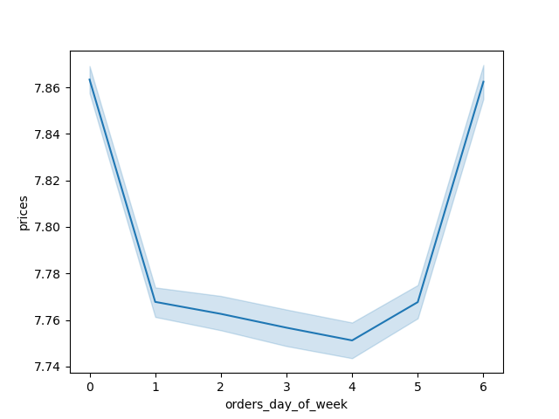

 |  | INSIGHTS:

 |  | The 3 busiest days of the week are Sunday, Monday and Saturday (figure 2)

 |  | The busiest hours of the day happen between 9 AM and 3 PM (figure 1)

 |  | Customers spend more money on the weekends relative to week-day spending (figure 3)

Times of the day when people spend the most money
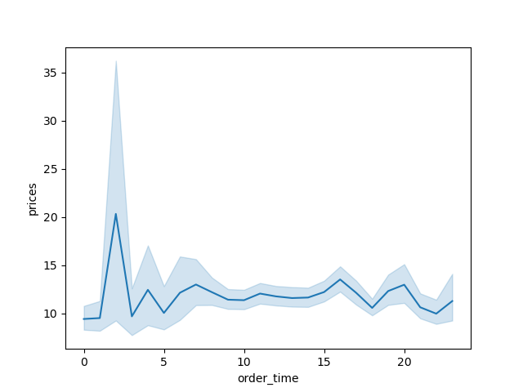

 | INSIGHTS:

 | Users spend the most money very early in the day, between the hours of 1 AM and 3 AM

Departments with the highest frequency of product orders and revenue

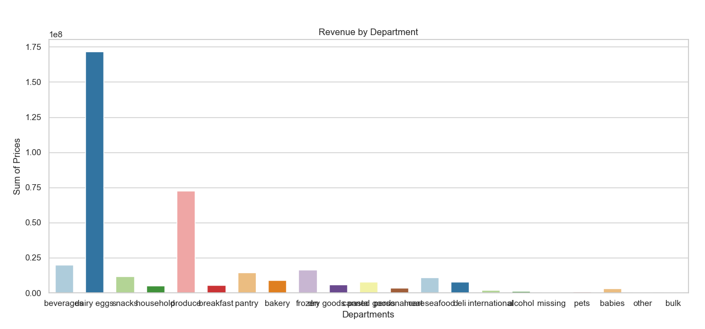

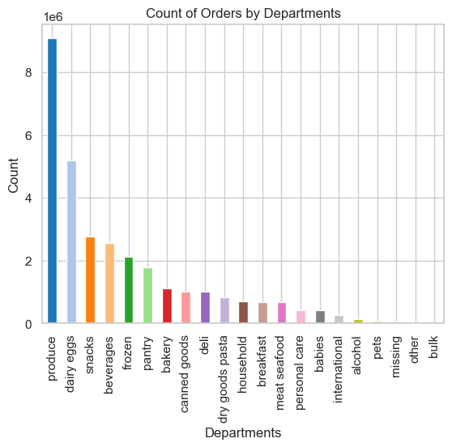

 |  |  | INSGHTS:

 |  |  | The most ordered category by far is produce

 |  |  | The category bringing in the most revenue is dairy and eggs, followed by produce

Distribution among users in regards to their geograph region
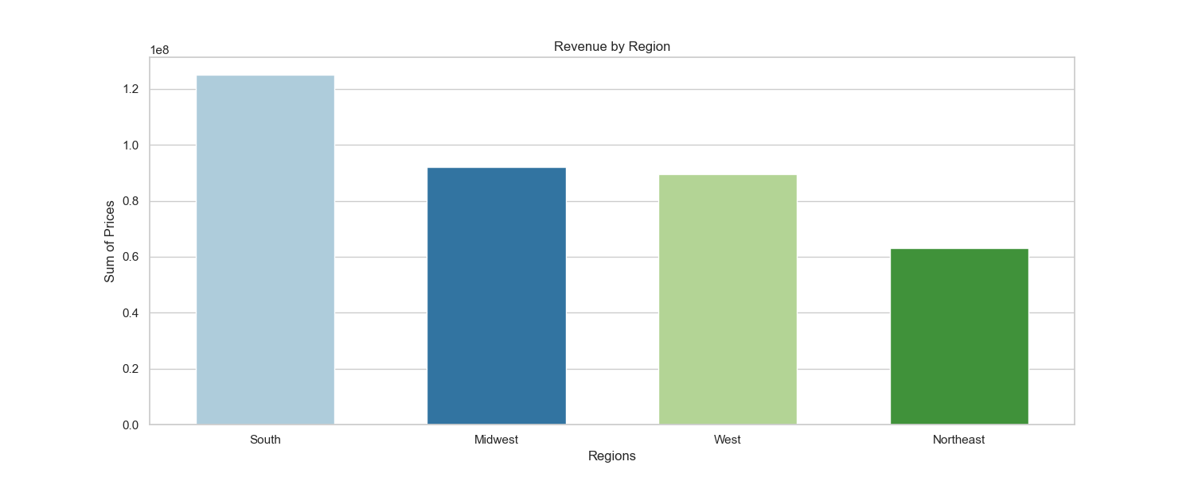

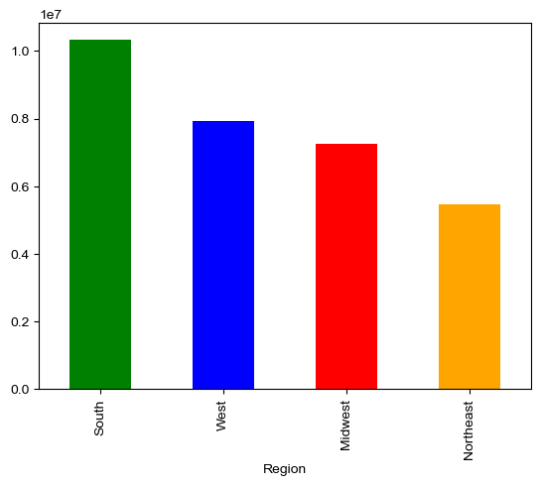

 |  |  | INSIGHTS:

 |  |  | Most of Instacart's users come from the South region, and they bring in the most revenue

 |  |  | Conversely, the Northeast has the least amount of users and brings in the least amount of revenue

 |  |  | Even though the West has more users than the Midwest, the latter brings in more revenue

Distribution among users in regards to their brand loyalty
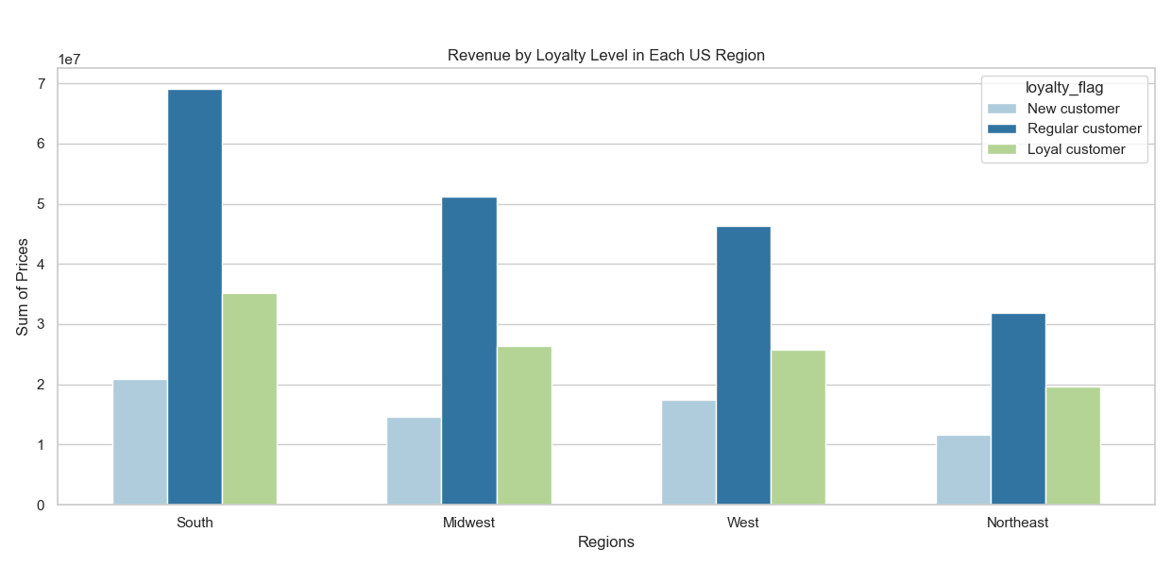
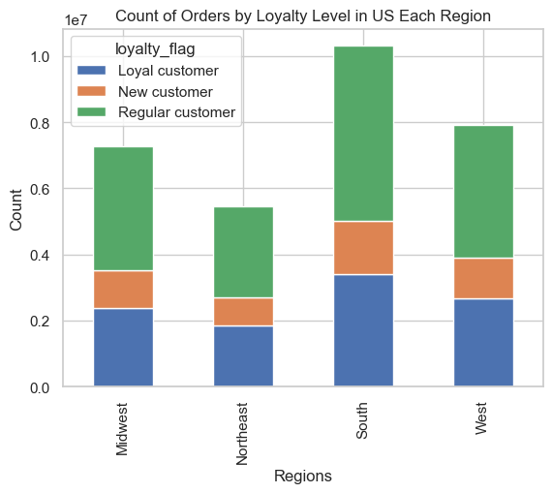
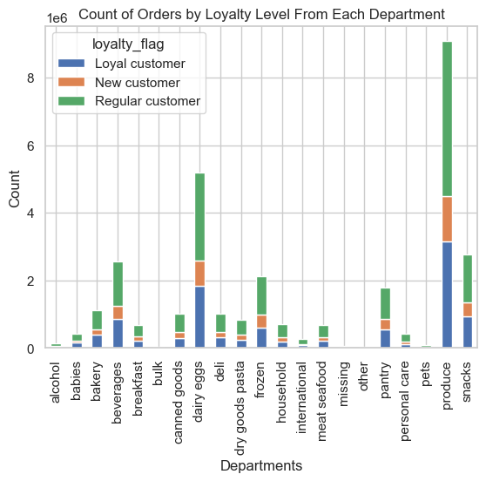
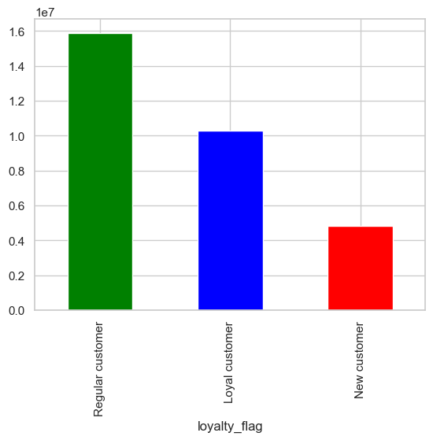

 |  |  |  | INSIGHTS:

 |  |  |  | Regular customers and loyal customers make up the bulk of Instacart's user numbers

 |  |  |  | That is the case in every region, and it is also reflected on the revenue numbers

 |  |  |  | Loyalty level does not seem to affect purchasing habits across all regions

Distribution among users in regards to their income level
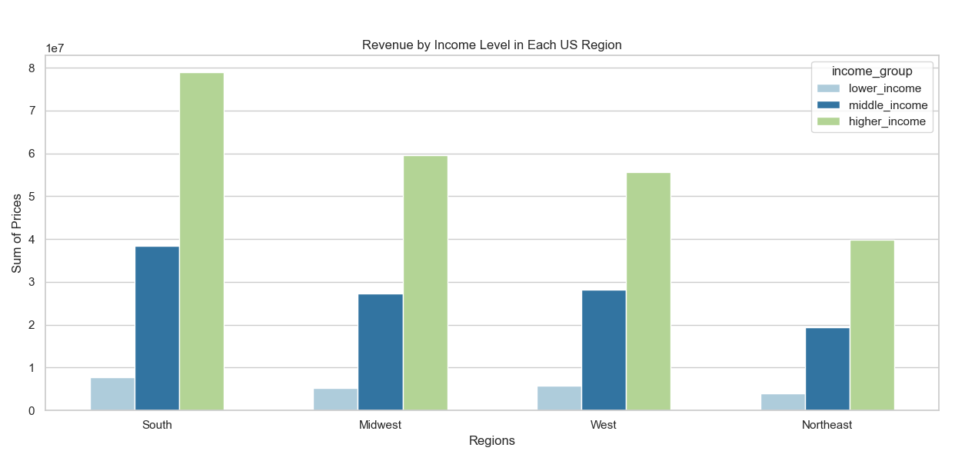
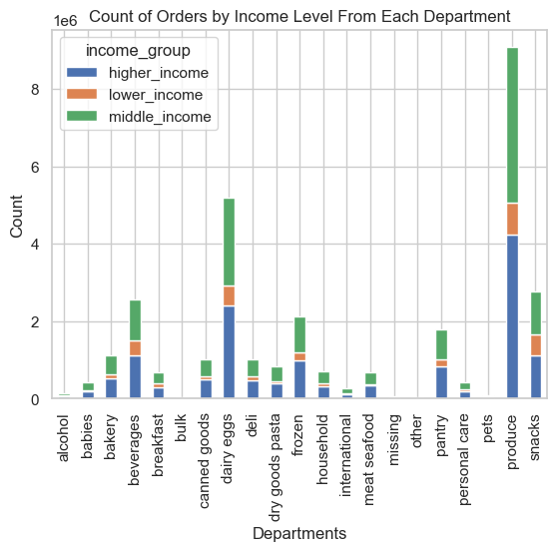
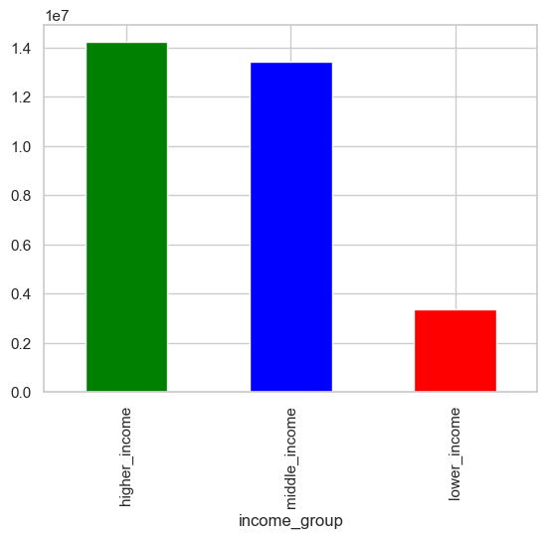
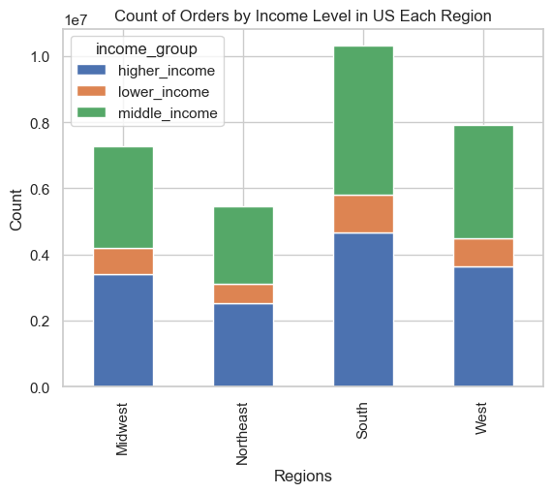

 |  |  |  | INSIGHTS:

 |  |  |  | Higher income and middle income users make up the bulk of the user base

 |  |  |  | However, higher income users bring in substantially more revenue

 |  |  |  | Income level does not seem to affect purchasing habits across all regions

Distribution among users in regards to their age
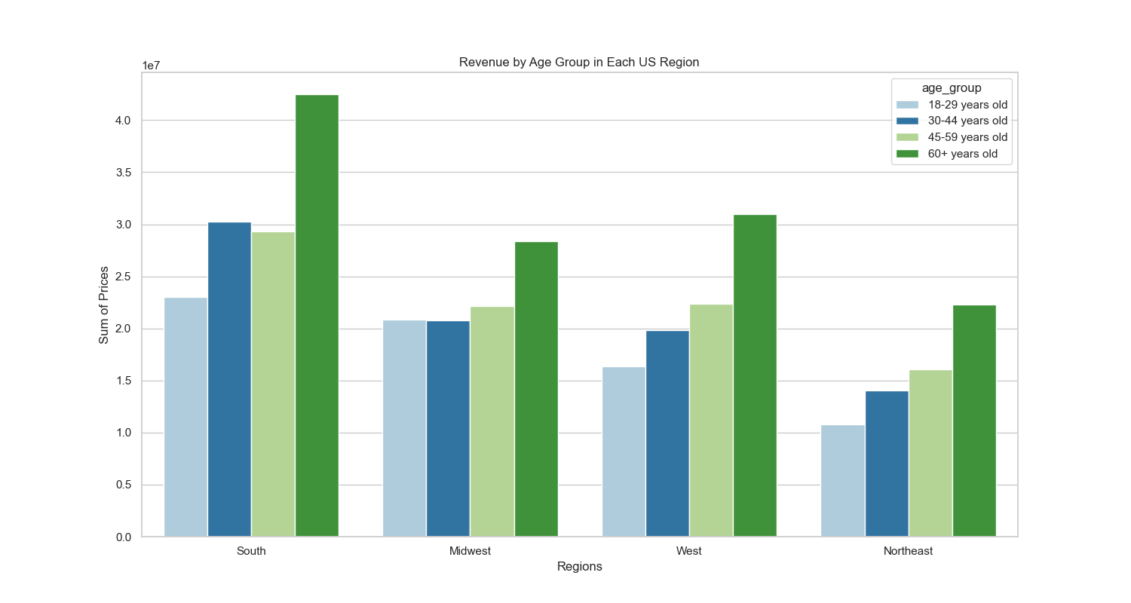
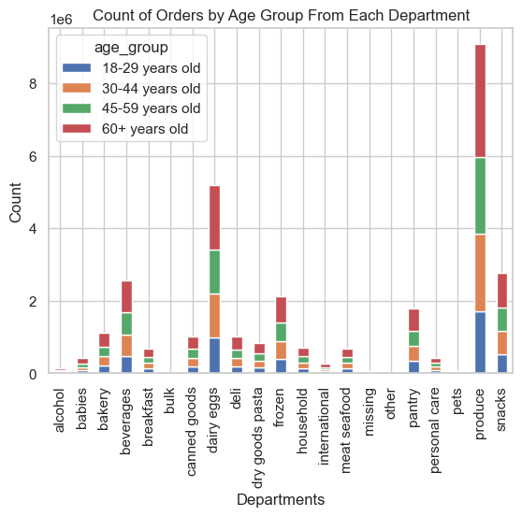
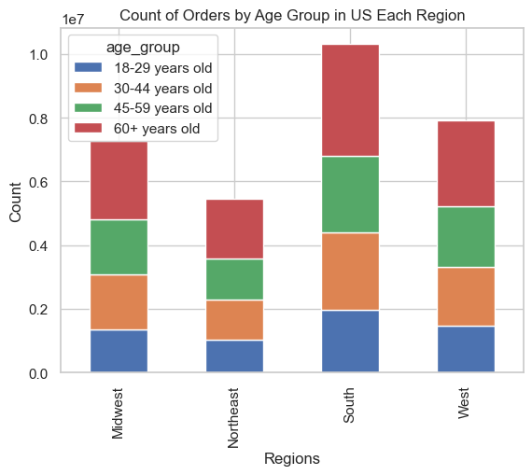
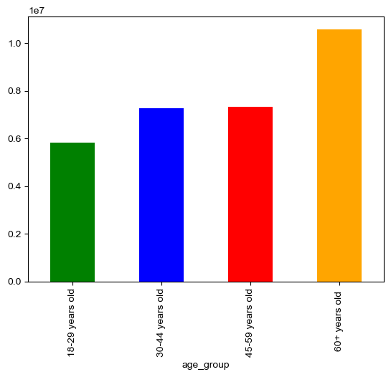

 |  |  |  | INSIGHTS:

 |  |  |  | Most Instacart users are 60+ years old

 |  |  |  | Most revenue comes from 60+ years old customers and the least from 18-29 years old

 |  |  |  | Order numbers are fairly similar across age groups

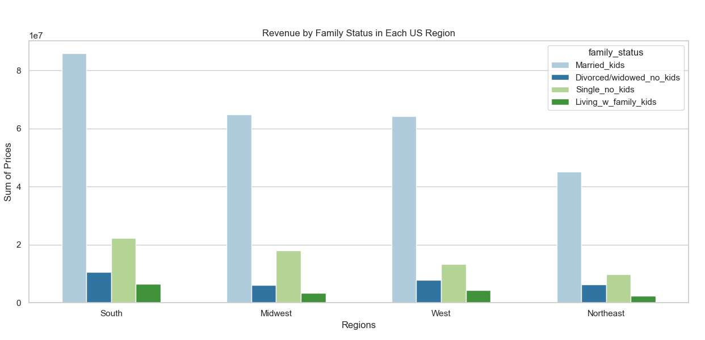
Distribution among users in regards to their family status
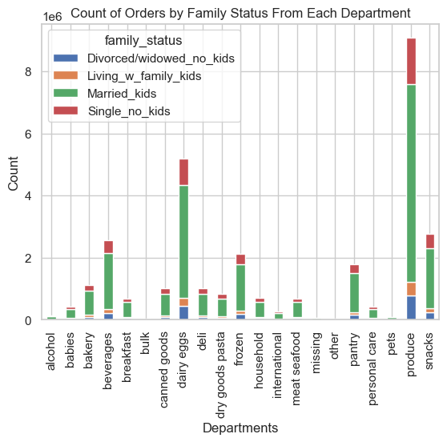
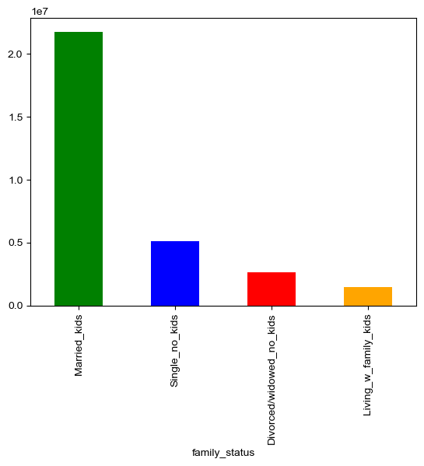
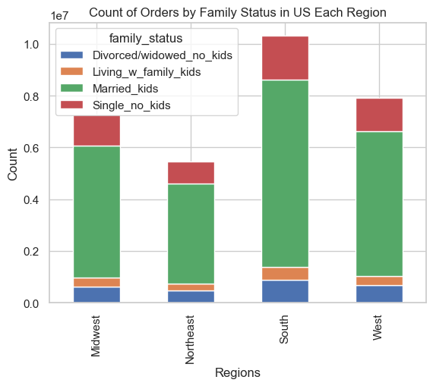

 |  |  |  | INSIGHTS:

 |  |  |  | Most users are married with kids, and they contribute to (by far) the largest portion of revenue

 |  |  |  | Family status does not appear to influence user spending habits

7. Recommendations
 |  | Title page

Recommendations

Key Question | Answer & Recommendations

What are the busiest days of the week and hours of the day are in order to schedule ads at times when there are fewer orders. | The busiest days of the week are Sunday, Monday and Saturday, and the busiest hours are between 9 AM and 3 PM.
 | The marketing team should target ads to increase weekday shopping and shopping during the early hours of the day, especially between midnight and 6 AM.
Are there particular times of the day when people spend the most money, as this might inform the type of products they advertise at these times. | Users spend the most money very early in the morning, between the hours of 1 AM and 3 AM.
 | Marketing should still taget the early morning hours for its ads as most orders usually happen later in the morning and early afternoon.
Marketing and sales want to use simpler price range groupings to help direct their efforts. | Most products sold are below the $15 price.
 | Marketing and sales should create 2 categories for prices, one being "$15 or less" and another being "Over $15"
Are there certain types of products that are more popular than others? Which departments have the highest frequency of product orders? | The 2 most popular departments are produce and dairy and eggs.
 | Promoting other categories of products might be more worthwhile from a marketing perspective because people will always buy essential items.
What’s the distribution among users in regards to their brand loyalty? Are there differences in ordering habits based on a customer’s loyalty status? | Regular customers and loyal customers make up the bulk of Instacart's user numbers.
 | Loyalty level does not seem to affect purchasing habits across all regions.
Are there differences in ordering habits based on a customer’s region? | Most of Instacart's users come from the South region, and they bring in the most revenue.
 | Geographic region does not seem to affect purchasing habits from customers.
Is there a connection between age and family status in terms of ordering habits? | Most users are over the age of 60 and are married with kids.
 | Both consumer profiles have similar ordering habits accdording to our analysis.
What different classifications does the demographic information suggest? Age? Income? Certain types of goods? Family status? | The classifications the data suggests are based on age, income level, region, loyalty level and family status

What differences can you find in ordering habits of different customer profiles? | Most users are over the age of 60, are married with kids, live in the South region of the US, are in a higher income bracket and are not loyal or completely new customers.
 | The most frequently purchased items are essential foods (produce/dairy and eggs) and that trend does not seem to be affected by any demographic information.

